About
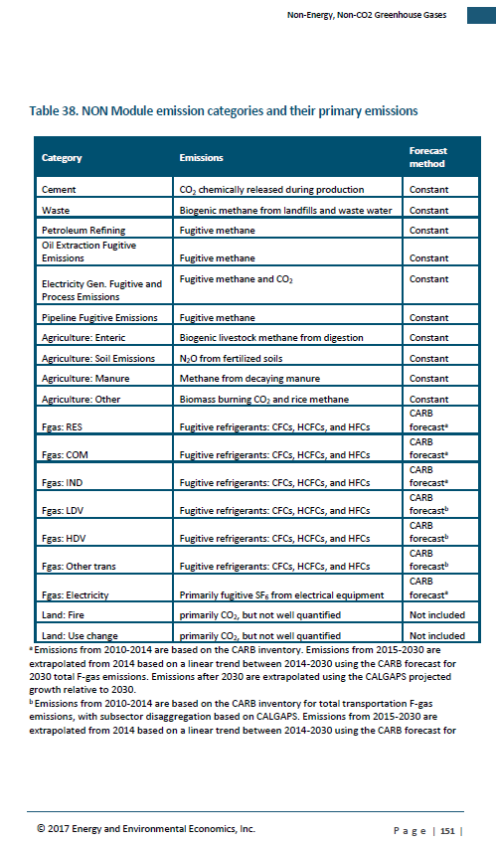
BAU Process Emissions

Sources: | Emission data
 | Energy + Environmental Economics, Inc.
 | California Pathways model, 2030 Scoping Plan Analysis
 | September 2017 release
 | Model documentation: https://www.arb.ca.gov/cc/scopingplan/california_pathways_model_framework_jan2017.pdf
 | Discussion of model application for Scoping Plan: https://www.arb.ca.gov/cc/scopingplan/2030sp_appd_pathways_final.pdf
 | Model itself downloadable (as of July 26, 2018): https://www.arb.ca.gov/cc/scopingplan/pathways_arb_2.4.1_101917.zip

 | GWP values
 | In line with effort to maximize alignment with CARB methods and assumptios where possible, follow the example of CARB and E3 data in using AR4 GWPs:
 | For example, "current inventory uses 100-year global warming potential (GWP) values from the IPCC Fourth Assessment Report, consistent with current international and national GHG inventory practices," as stated in following document.
 | https://www.arb.ca.gov/cc/inventory/pubs/reports/2000_2015/ghg_inventory_trends_00-15.pdf

Notes: | The BAU emissions data align with the Scoping Plan + 60% RPS scenario from the 2017 Scoping Plan analysis for the 2030 strategy.

 | Map E3 categories to EPS categories
 | Cement | CC
 | Waste | Waste -- destroyed. Main new strategy is diversion of organics. Seems to fit best with destructions.
 | Petroleum Refining | NGPS - MC
 | Oil and Gas extraction | NGPS - MC
 | Electricity generation - fugitive and process | NGPS - MC
 | Pipeline Fugitive | NGPS - MC
 | Agriculture - Enteric | LM
 | Agriculture - Soil Emissions | Ag-CM
 | Agriculture - Manure | LM
 | Agriculture - Other | From US EPA by way of US EPS data
 | Fgas: Res | Chemicals
 | Fgas: COM | Chemicals
 | Fgas: IND | Chemicals
 | Fgas: LDV | Chemicals
 | Fgas: HDV | Chemicals
 | Fgas: Other Trans | Chemicals
 | Fgas: Electricity | Chemicals

 | Pathways documentation excerpt

